I1
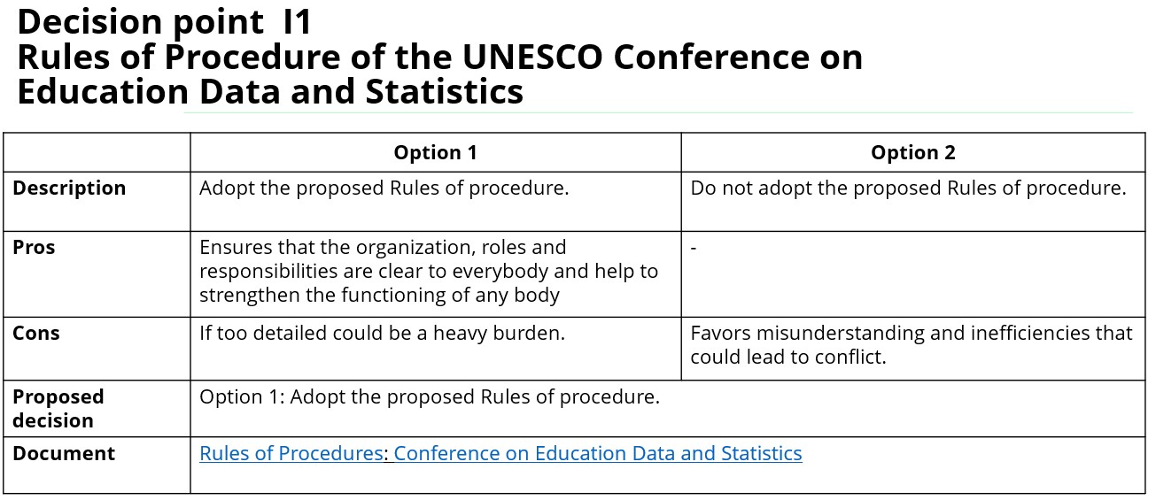

Link to document: | https://tcg.uis.unesco.org/wp-content/uploads/sites/4/2023/12/TCG10-_W4_EDS-Conference-proposed-rules-of-procedure.pdf

Vote
Comments

I2
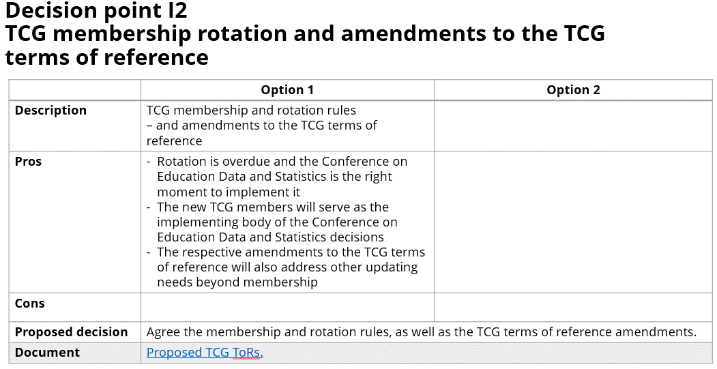
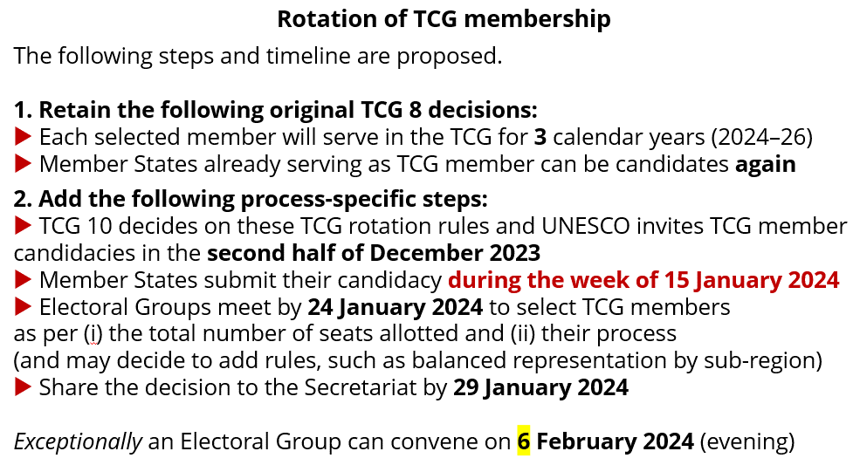

Link to document: | https://tcg.uis.unesco.org/wp-content/uploads/sites/4/2023/12/TCG-TOR-2023-proposed-1.pdf
 | https://tcg.uis.unesco.org/wp-content/uploads/sites/4/2023/12/2023-TCG-3b-TCG-membership-rotation_rev.pdf

Vote
Comments

L1
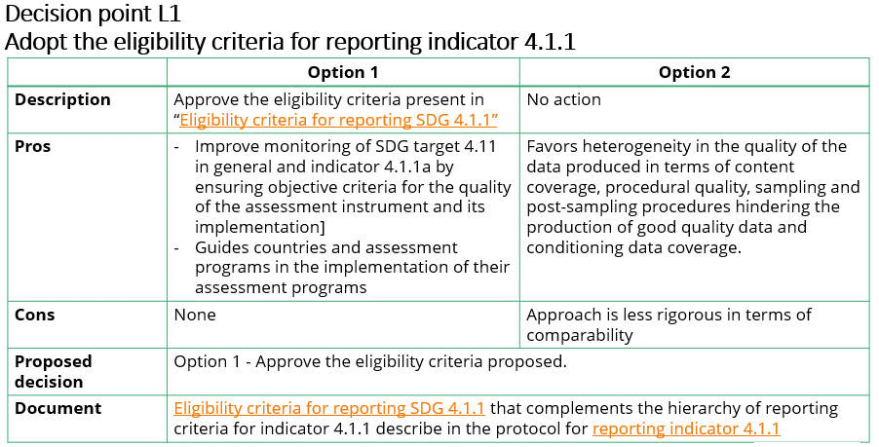

Link to document: | https://tcg.uis.unesco.org/wp-content/uploads/sites/4/2023/12/Eligibility-criteria-for-reporting-against-SDG-4.1.1_final.pdf
 | https://tcg.uis.unesco.org/wp-content/uploads/sites/4/2022/03/Protocol-for-Reporting-SDG-4.1.1.pdf

Vote
Comments

L2
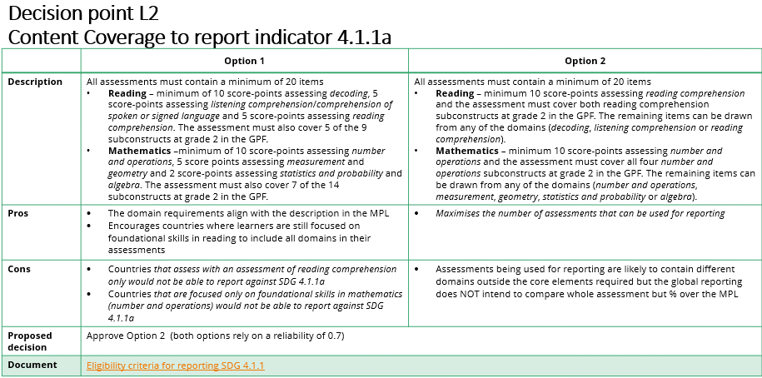

Link to document: | https://tcg.uis.unesco.org/wp-content/uploads/sites/4/2023/12/Eligibility-criteria-for-reporting-against-SDG-4.1.1_final.pdf

Vote
Comments

L3
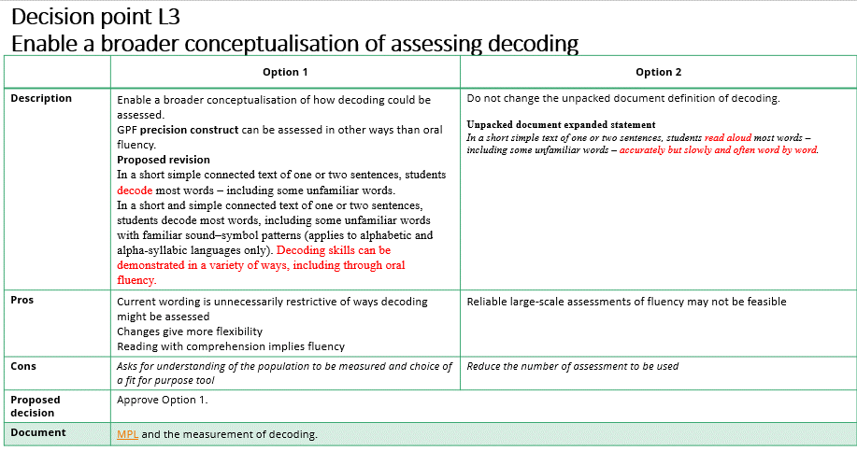

Link to document: | https://tcg.uis.unesco.org/wp-content/uploads/sites/4/2023/11/WG_GAML_Decoding.pdf

Vote
Comments

L4
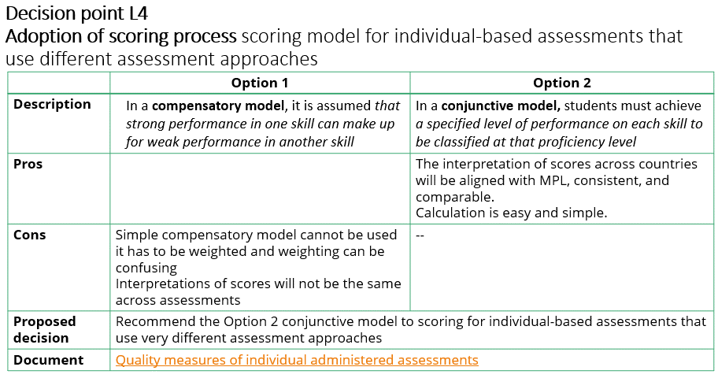

Link to document: | https://tcg.uis.unesco.org/wp-content/uploads/sites/4/2023/12/14.-GAML_Abdullah-Ferdous_Standards-for-Reporting_Sent2.pdf

Vote
Comments

T1
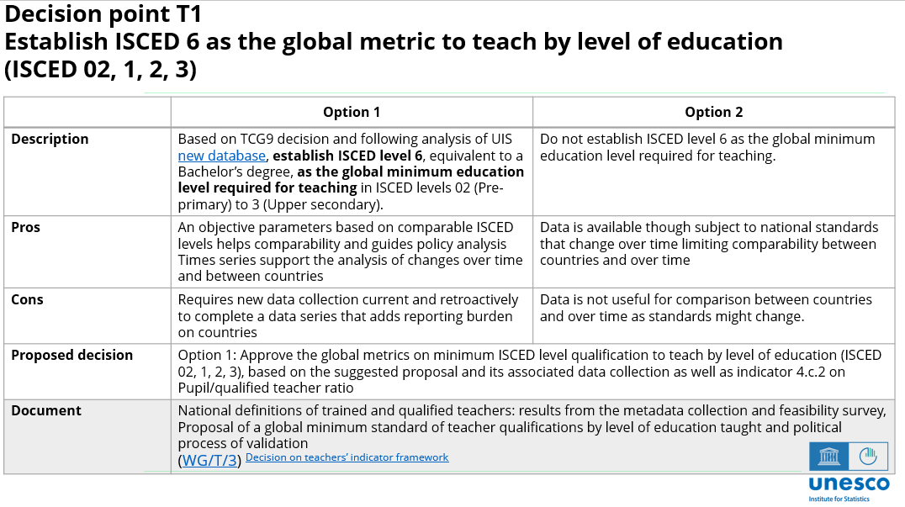

Link to document: | https://tcg.uis.unesco.org/wp-content/uploads/sites/4/2023/12/TCG-10-Decision-on-teachers-indicator_to-use.pdf

Vote
Comments

T2
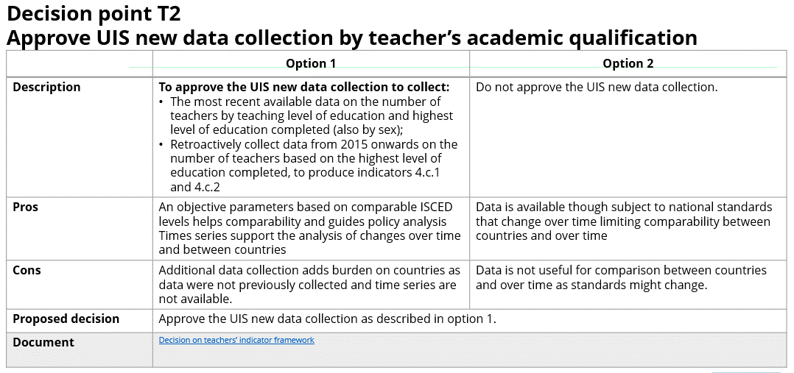

Link to document: | https://tcg.uis.unesco.org/wp-content/uploads/sites/4/2023/12/TCG-10-Decision-on-teachers-indicator_to-use.pdf

Vote
Comments

T3
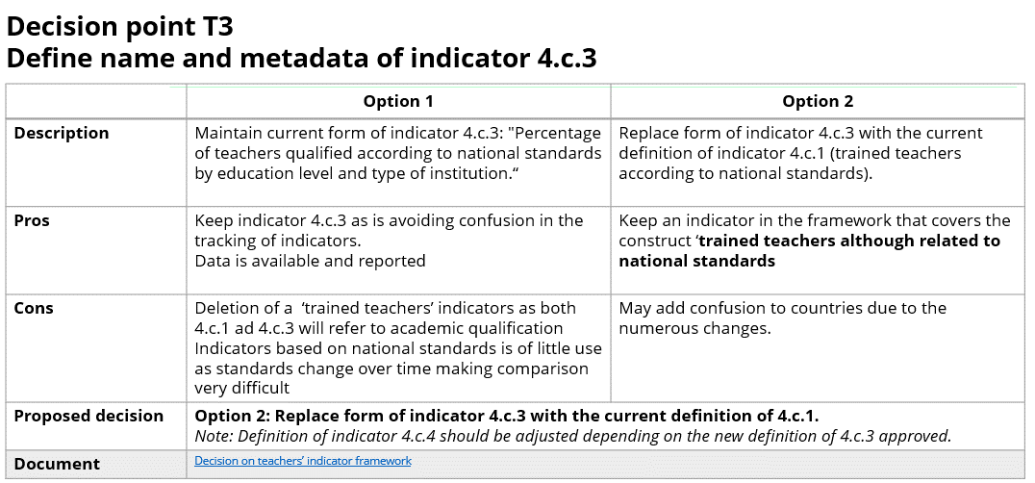

Link to document: | https://tcg.uis.unesco.org/wp-content/uploads/sites/4/2023/12/TCG-10-Decision-on-teachers-indicator_to-use.pdf

Vote
Comments

